Sheet1
YEAR | AUTHOR | TITLE | ABSTRACT | DESIGN METHOTOLOGY | EVALUTION | ADVANTAGE | DISADVANTAGE
2022 | Stephen Cox, Michael Lincoln and Judy Tryggvason,Mark Wells, Marcus Tutt and Sanja Abbott,Melanie Nakisa | TESSA, a system to aid communication with deaf people | TESSA is an experimental system that aims to aid transactions between a deaf person and a clerk in a Post Office by translating the clerk’s speech to sign language. A speech recogniser recognises speech from the clerk and the system then synthesizes the appropriate sequence of signs in British Sign language (BSL) using a speciallydeveloped avatar. By using a phrase lookup approach to language translation, which is appropriate for the highly constrained discourse in a Post Office, we were able to build a working system that we could evaluate. We summarise the results of this evaluation (undertaken by deaf users and Post office clerks), and discuss how the findings from the evaluation are being used in the development of an improved system | 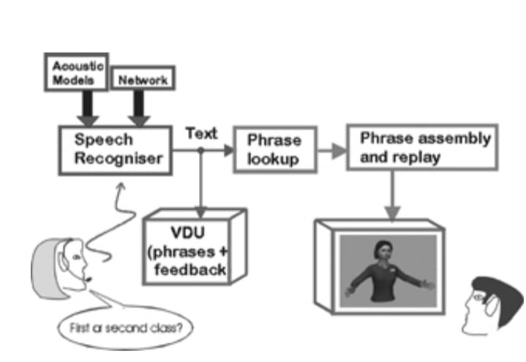 | 1. Evaluation of the quality of the signs; 2. Evaluation of the difficulty of performing a transaction with TESSA; 3. Questionnaires to the deaf users and Post Office clerks | You Can Be a Better ListenerYou Can Tune Out Background Noise | fewer educational and job opportunities due to impaired communication
2017 | Nidhi Kawale, Divya Hiranwar, Mayuri Bomewar | An Android Messenger Application for Dumb and Deaf People | An evolution of Information and Communication Technology has influenced every part of human life. It has modified the way we do the job, occupation, travel , acknowledge and convey. For the Deaf people group, the utilization ICT has enhance their personal satisfaction by creating frameworks that can help them discuss better with whatever remains of the world and among themselves. Gesture based communication is the essential method for correspondence in the almost totally impaired group. The issue emerges when hard of hearing individuals attempt to convey what needs be to other individuals with the assistance of these gesture based communication language structures and bad habit a versa. The application gives hard of hearing individuals a method for getting more shut to cutting edge innovation by utilizing discourse to picture interpretation. This deaf individual to learn new advances by looking toward pictures which are being changed over to pictures by utilizing discourse acknowledgment framework | 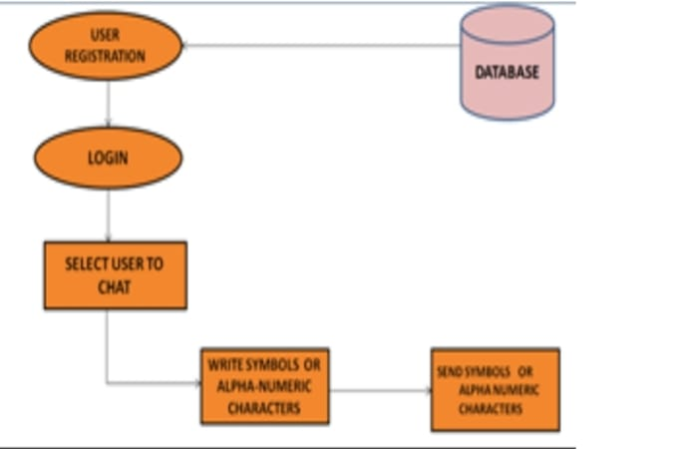 | We display a useful application for Deaf-Dumb messenger application. This messenger means to help and to sharp by furnishing them with an appealing correspondence and learning device. This work present a Mobile android application that empower correspondence between Deaf-Dumb and typical human in our general public .It additionally build up a guide apparatus for impaired hearing and unable to speak in many fields like eateries, Hospitals and transportation. Besides, this application presents a simple interpreter from communication via sign language to English and the other way around. All the methods explained in this paper are accomplished at constant speed. But in actual practice, machines are operated at various speeds. A rotor is balanced at one speed may get unbalanced at other speed. The design of rotor under various study are taken as uniform crosssection but in actual practice some rotor may have non uniform in cross section. The example of such type of rotor is conical rotor. Effectiveness of two plane balancing method is need to be studied the disadvantages of field balancing are production loss, component life, skilled manpower require. Frequent stoppages of machine for trial runs etc. These drawbacks can be reduced by using various numerical techniques such as finite element method. Hence this study is to be extended further to analyse the effect of rotor speed on its balancing | You don‟t have to search for an interpreter for translation.A deaf and dumb person and a normal person who doesn‟t know ASL can communicate even when they are at a distance. • Cost efficient. • Simple and user friendly | This glove will not work if both end people are at a distance This product is not efficiently available in the market and incase if it is available it is very costly and not user friendly. SVM is used to recognize the sign (finger spelling) and display corresponding English text. A part of the specified SVM soft computing techniques, the work can be extended to add some other soft computing techniques
2016 | Manisha U. Kakde,Mahender G. Nakrani,Amit M. Rawate | A Review Paper on Sign Language Recognition System For Deaf And Dumb People using Image Processing | Communications between deaf-mute and a normal person have always been a challenging task. This paper reviews a different methods adopted to reduce barrier of communication by developing an assistive device for deaf-mute persons. The advancement in embedded systems, provides a space to design and develop a sign language translator system to assist the dumb people, there exist a number of assistant tools. The main objective is to develop a real time embedded device for physically challenged to aid their communication in effective means. | 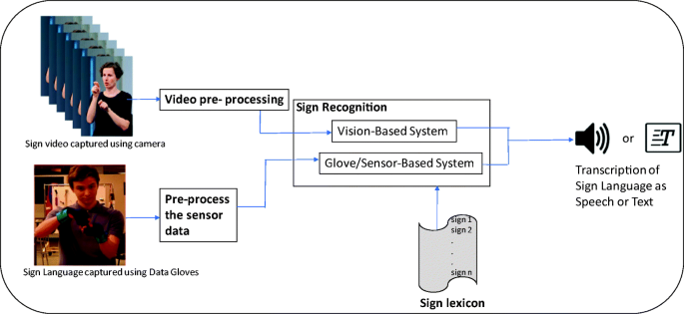 | In this review paper, different techniques of sign language recognition are reviewed on the basis of sign acquiring methods and sign identification methods. For sign acquiring methods, vision based methods and for sign identification methods, artificial neuron network proves a strong candidature | promotes better awareness of and sensitivity to the deaf and hard of hearing community. | low accuracy and fidelity.
2014 | Dalia Nashat , Abeer Shoker , Fowzyah Al-Swat and Reem Al-Ebailan | AN ANDROID APPLICATION TO AID UNEDUCATED DEAF-DUMB PEOPLE | One of the most popular handicaps is the deaf and dumb type, which prevent person from listening and talking. The number of deaf and dumb in the world continuously increasing and they are introverted closed society. Therefore, Deaf-Dumb people do not have normal opportunities for learning. Uneducated DeafDumb people face serious problem in communication with normal people in their society. It is notable, however, that most available application focus only on learning or recognition of sign language. In this paper, we introduce an integrated android application to blend uneducated Deaf-Dumb people within society, and help them to communicate with normal people. The introduced application proposes an easy translator in keyboard form that can translate any word from sign language to Arabic or English language and vice versa. This application also contains most daily words for teaching deaf and dumb kids in attractive way (colors, pictures, animations, quiz …etc). Moreover, it introduces some games that help them to communicate and entertain. | 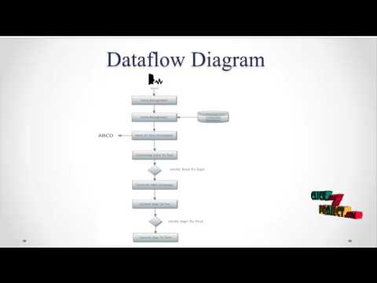 | In this paper, we present an efficient application for uneducated Deaf-Dumb application. This application aims to help deaf and dumb by providing them with an attractive communication and learning tool. This work introduce a Mobile application that enable communication between uneducated Deaf-Dumb and normal people in our society .It also develop an aid tool for deaf and dumb in many fields like restaurants, Hospitals and transportation. Moreover, this application introduces an easy translator from sign language to English or Arabic language and vice versa | i) The conversation between deaf and dump with the normal person can be easier. ii) The dump and deaf persons who are uneducated can also access easily. iii) And also it has sign keyboard for educated deaf and dump. iv) Time is very important so in our idea time will be saved. | i) Main drawback of the system is uneducated people cannot get access through the system. ii) And also language is the major problem for the educated people. iii) In the “an android application to aid uneducated deaf and people” they used only key board specification, quizzes for the uneducated people, but this won’t be useful for the people who doesn’t now the basic hand sigh language.

